BUG 1
ID 1
Reporter: | Anastasia Korzh | Assignee: | <dev> | Status: | to do
Type: | Functional | Severity: | Major | Priority: | High
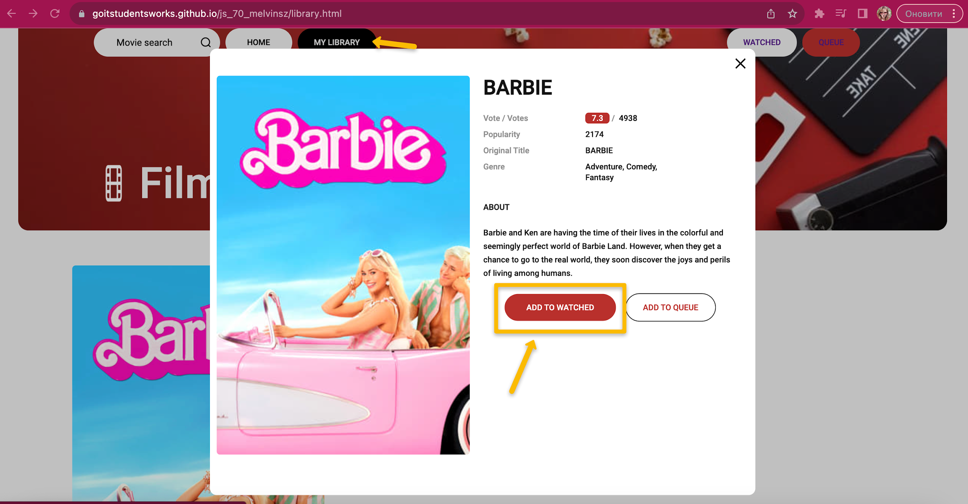
Browser: | Google Chrome Версія 116.0.5845.172 | Device: | MacBook Pro | OS version | mac OS Ventura 13.2.1.
Summary: | Аfter clicking the "Removed from watched" button, the movie is not delete from "Watched"
Precondition
1 | Open website ​Filmoteka
2 | The any movie must be added earlier
Steps to reproduce:
1 | In the Header ,click on the "My library" button
2 | In the right corner of the website, click on the "Watched" button
3 | Click on the movie card
4 | Click on “Removed from watched”
Actual result:
After clicking the "removed from watched" button, the movie is not removed from "Watched"
Expected result:
After clicking the "removed from watched" button, the movie is removed from "Watched"
Attachments:
 | link to video https://drive.google.com/file/d/1KLSE046tcMwZOyqfcCsQTYZ7Fopr1m-O/view?usp=sharing
Additional info:

BUG 3.
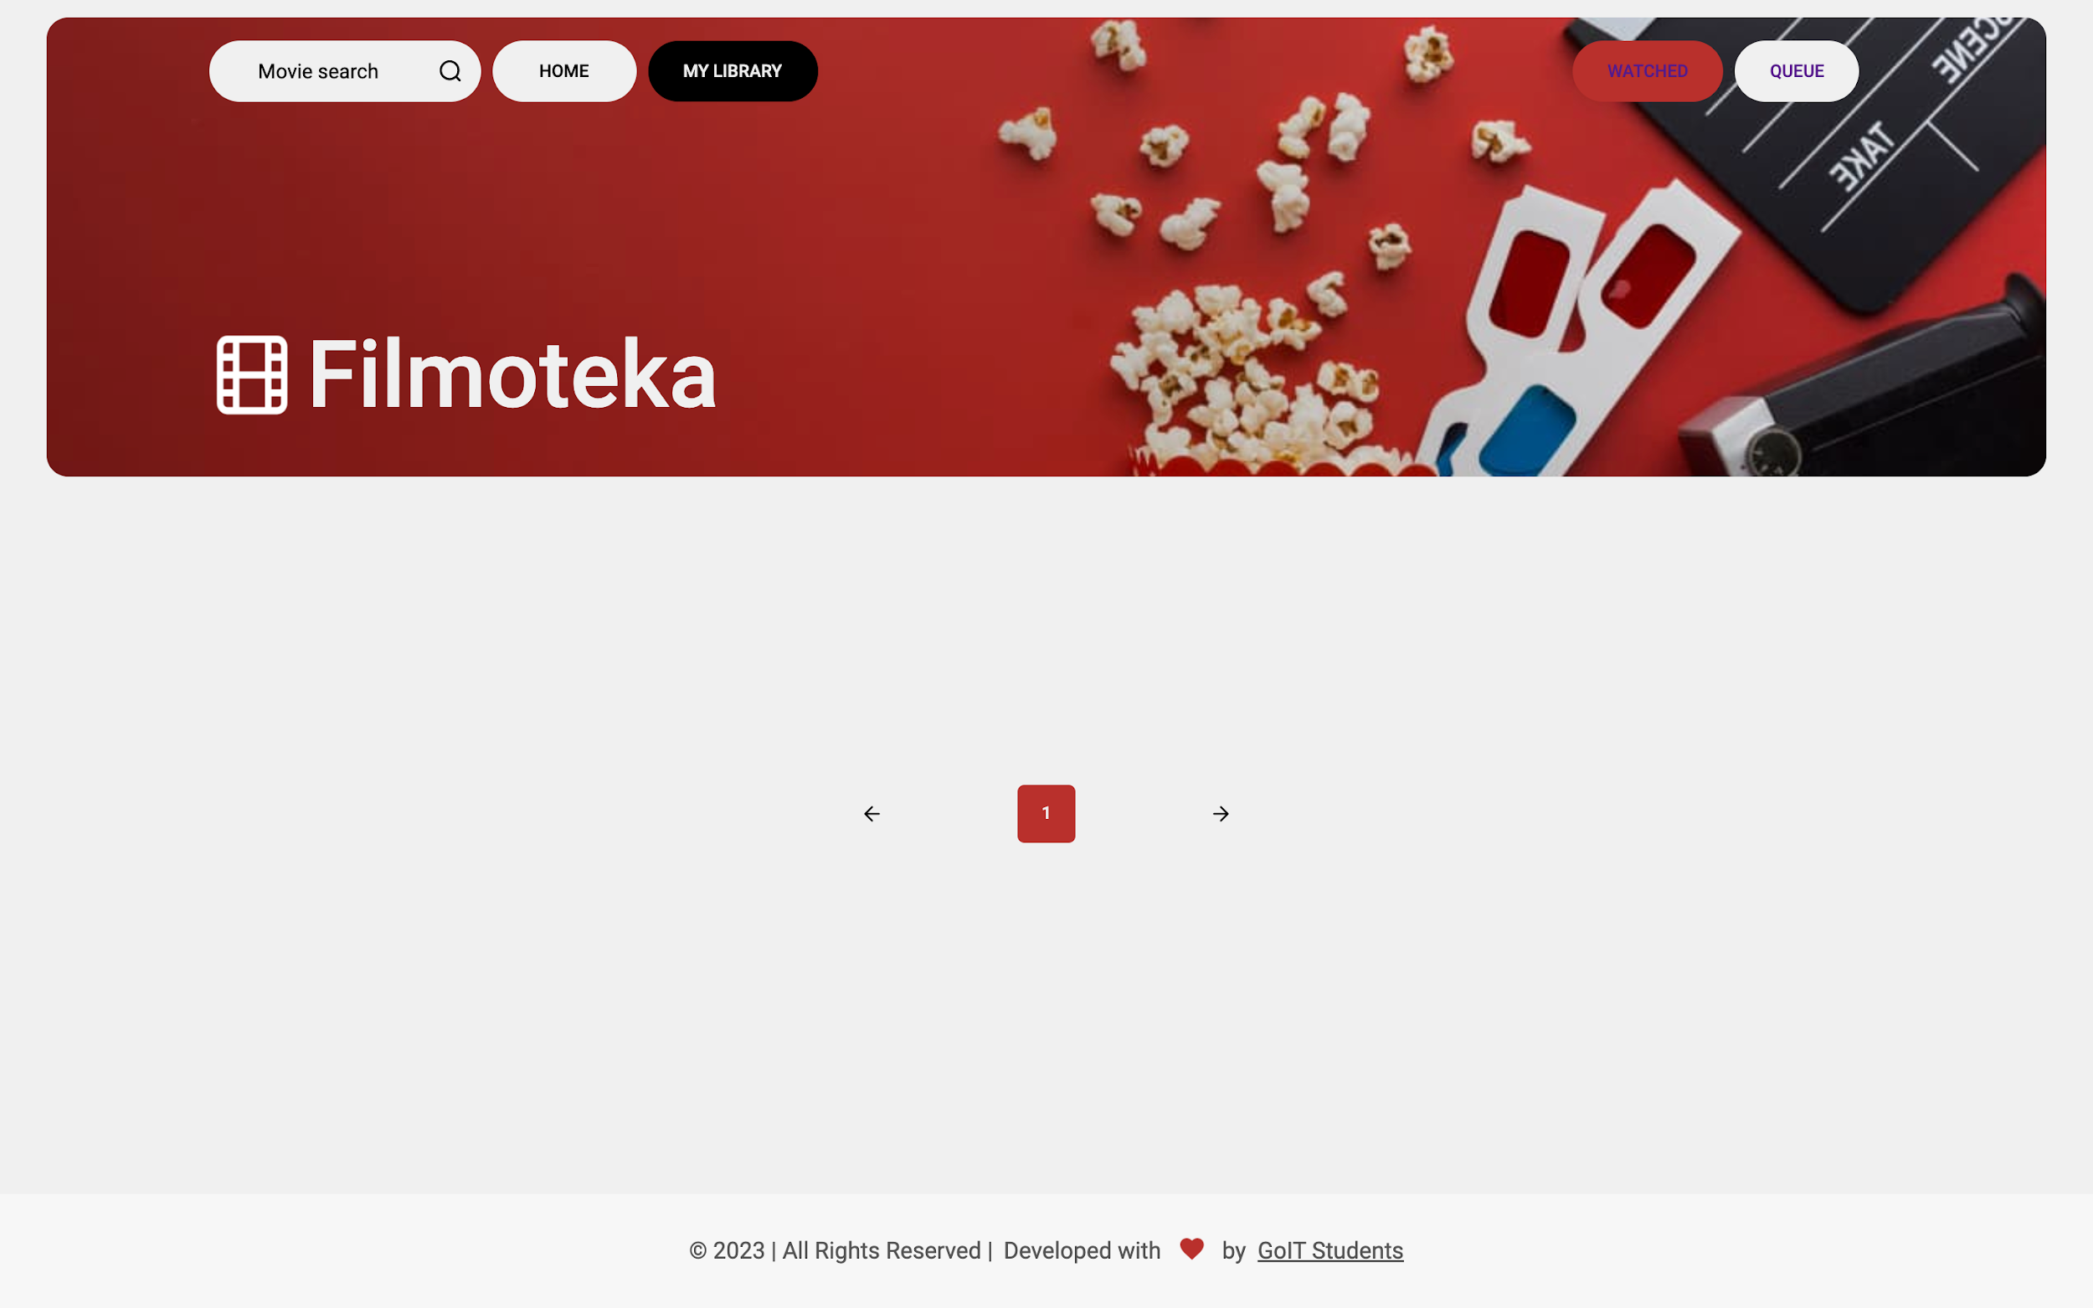
ID 3
Reporter: | Anastasia Korzh | Assignee: | <dev> | Status: | to do
Type: | Functional | Severity: | Major | Priority: | High
Browser: | Google Chrome Версія 116.0.5845.172 | Device: | MacBook Pro | OS version | mac OS Ventura 13.2.1.
Summary: | The added film is not displayed in "Watched"
Precondition
1 | Open website ​Filmoteka
Steps to reproduce:
1 | On the main page, select any movie.
2 | Click on the movie card
3 | Click on the "Add to watched" button
4 | Close the movie card
5 | In the Header ,click on the "My library" button
2 | In the right corner of the website, click on the "Watched" button
Actual result:
Movie does not added in "Watched"
Expected result:
After adding a movie is displayed immediately in the "watched" category
Attachments:
 | link to video https://drive.google.com/file/d/18u4j0ZWwuEhc_oV7PmADu5InImBJc40i/view?usp=drive_link
Additional info:

BUG 4.
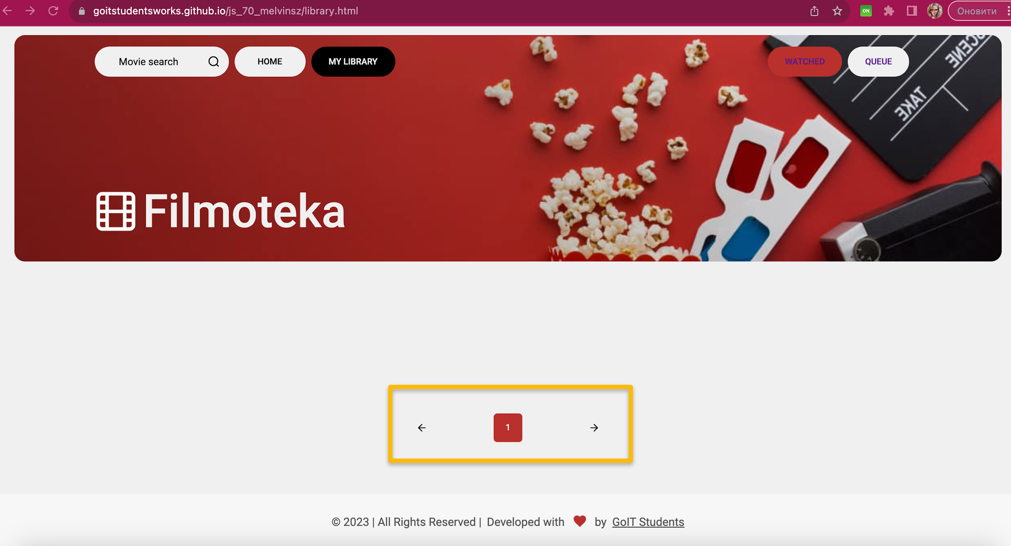
ID 4
Reporter: | Anastasia Korzh | Assignee: | <dev> | Status: | to do
Type: | UI | Severity: | Major | Priority: | High
Browser: | Google Chrome Версія 116.0.5845.172 | Device: | MacBook Pro | OS version | mac OS Ventura 13.2.1.
Summary: | Pagination is displayed in the empty category "watched"
Precondition
1 | Open website ​Filmoteka

Steps to reproduce:
1 | In the Header ,click on the "My library" button
2 | In the right corner of the website, click on the "Watched" button
Actual result:
Pagination is displayed in the empty category "watched"
Expected result:
Pagination is displayed when movies are added to "Watched"
Attachments:

BUG 5
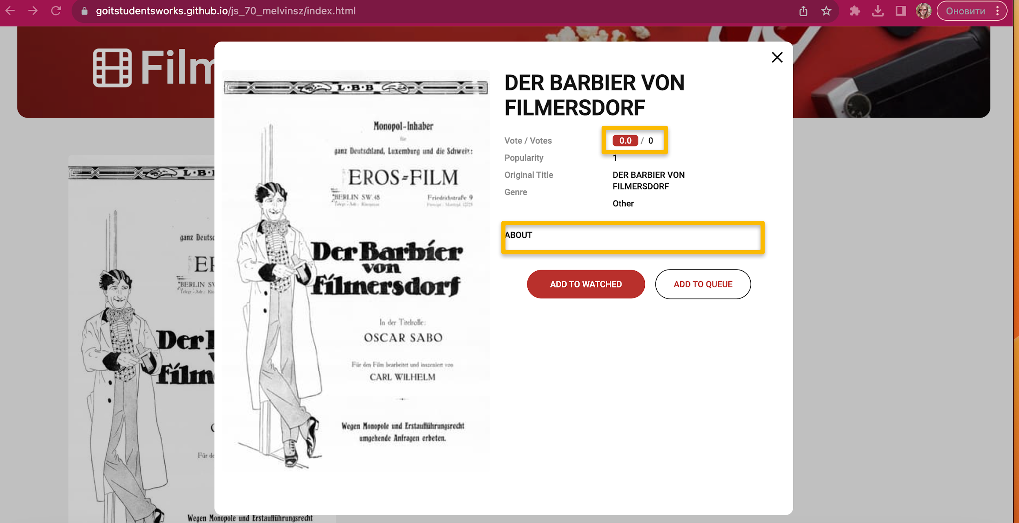
ID 5
Reporter: | Anastasia Korzh | Assignee: | <dev> | Status: | to do
Type: | UI | Severity: | Minor | Priority: | Low
Browser: | Google Chrome Версія 116.0.5845.172 | Device: | MacBook Pro | OS version | mac OS Ventura 13.2.1.
Summary: | The film card is not filled in "DER BARBIER VON FILMERSDORF"
Precondition
1 | Open website ​Filmoteka
Steps to reproduce:
1 | Enter the film "No description for the film "DER BARBIER VON FILMERSDORF"" in the search box.
2 | Click on the film card
Actual result:
No description or rating in the film's card
Expected result:
Film card filled with description and rating
Attachments:

Additional info:

